Sheet1
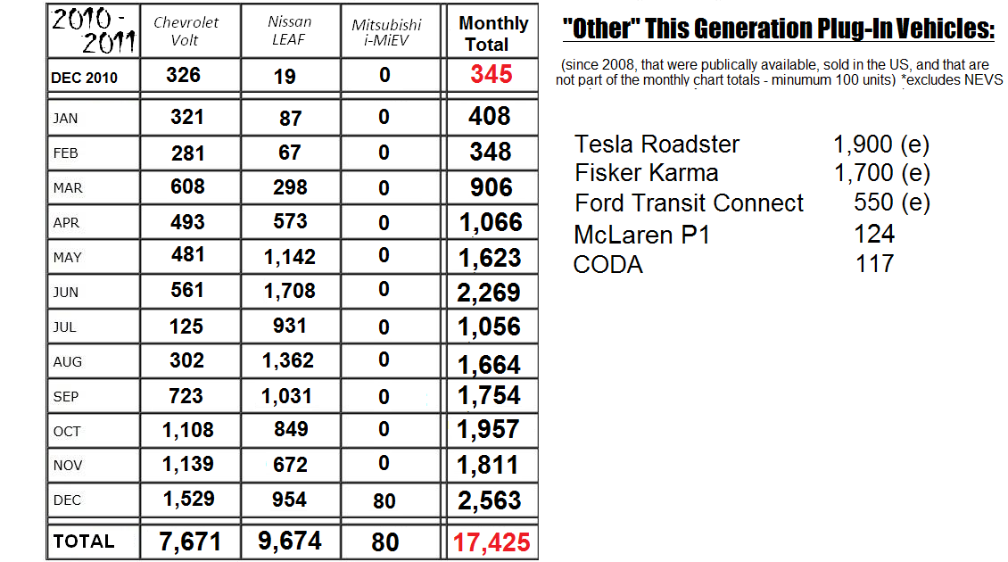

Sheet12
 | 2010 | 2011 |  |  |  |  |  |  |  |  |  |  |  | 2012 |  |  |  |  |  |  |  |  |  |  |  | 2013 |  |  |  |  |  |  |  |  |  |  |  | 2014 |  |  |  |  |  |  |  |  |  |  |  | 2015 |  |  |  |  |  |  |  |  |  |  |  | 2016
 | Dec | Jan | Feb | Mar | Apr | May | Jun | Jul | Aug | Sep | Oct | Nov | Dec | Jan | Feb | Mar | Apr | May | Jun | Jul | Aug | Sep | Oct | Nov | Dec | Jan | Feb | Mar | Apr | May | Jun | Jul | Aug | Sep | Oct | Nov | Dec | Jan | Feb | Mar | Apr | May | Jun | Jul | Aug | Sep | Oct | Nov | Dec | Jan | Feb | Mar | Apr | May | Jun | Jul | Aug | Sep | Oct | Nov | Dec | Jan | Feb | Mar
Price Per Unit Tesla | $- | $- | $- | $- | $- | $- | $- | $- | $- | $- | $- | $- | $- | $- | $- | $- | $- | $- | $88,700 | $88,700 | $88,700 | $88,700 | $88,700 | $88,700 | $88,700 | $88,700 | $88,700 | $88,700 | $88,700 | $88,700 | $88,700 | $88,700 | $88,700 | $88,700 | $88,700 | $88,700 | $88,700 | $88,700 | $88,700 | $88,700 | $88,700 | $88,700 | $88,700 | $88,700 | $88,700 | $88,700 | $88,700 | $88,700 | $88,700 | $88,700 | $88,700 | $88,700 | $88,700 | $88,700 | $88,700 | $88,700 | $88,700 | $88,682 | $88,684 | $88,686 | $88,307 | $86,892 | $87,587 | $86,315
Price Per Unit All Elctric minus outliers | $33,767 | $33,113 | $33,199 | $32,635 | $31,772 | $31,085 | $30,882 | $30,349 | $30,610 | $31,564 | $32,201 | $32,461 | $32,139 | $31,589 | $32,189 | $28,709 | $24,382 | $26,877 | $28,980 | $29,258 | $29,474 | $28,624 | $30,215 | $30,913 | $41,432 | $43,413 | $44,553 | $46,804 | $47,254 | $43,445 | $40,409 | $40,161 | $36,112 | $39,201 | $33,333 | $37,366 | $38,870 | $39,486 | $39,197 | $37,551 | $36,303 | $33,596 | $39,477 | $35,174 | $35,942 | $46,861 | $43,551 | $41,603 | $48,905 | $45,637 | $45,488 | $48,108 | $44,549 | $45,627 | $49,448 | $46,141 | $44,350 | $50,473 | $47,288 | $51,003 | $56,782 | $47,570 | $50,770 | $58,905
All (-) Tesla Price Per Unit | $33,767 | $33,113 | $33,199 | $32,635 | $31,772 | $31,085 | $30,882 | $30,349 | $30,610 | $31,564 | $32,201 | $32,461 | $32,139 | $31,589 | $32,189 | $28,709 | $24,382 | $26,877 | $28,750 | $28,883 | $28,926 | $27,711 | $27,629 | $27,275 | $28,923 | $27,320 | $29,117 | $29,845 | $29,977 | $30,074 | $30,981 | $29,966 | $29,430 | $29,680 | $28,714 | $29,810 | $30,475 | $31,471 | $30,409 | $29,821 | $29,065 | $28,961 | $31,592 | $31,208 | $33,233 | $34,505 | $36,767 | $35,067 | $35,045 | $35,928 | $36,898 | $35,482 | $34,354 | $34,287 | $34,863 | $36,827 | $36,813 | $37,914 | $37,461 | $37,184 | $44,635 | $38,885 | $39,484 | $38,517

